
 |  |  |  | CODE: |  |  | pl1059 aa SN from 96D673
DESCRIPTION: |  | HEAD EXIT |  | AUSGANG KOPF | SORTE TETE | SALIDA CABEZA | USCITA TESTATA
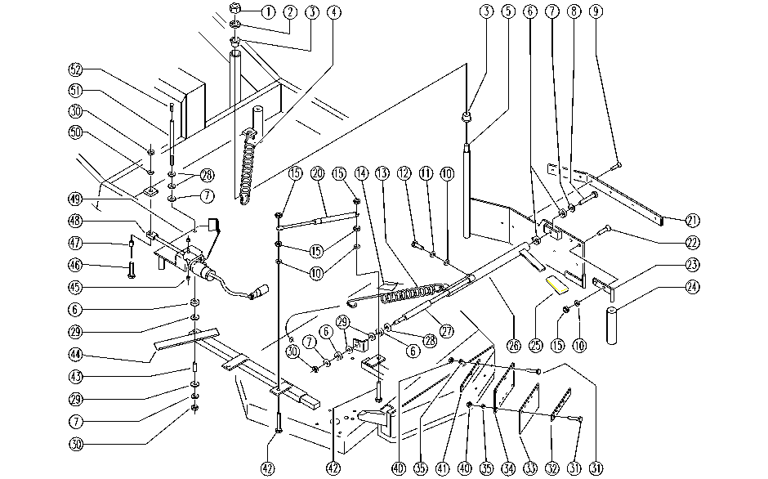

REF. | CODE | DESCRIPTION | QT
1 | SL05037 | NUT | 1
2 | SL06029 | WASHER | 1
3 | E89268 | Bushing | 2
4 | SL13028 | SPRING | 1
5 | SL09692 | BUMPER | 1
6 | E86975 | Rubber Gasket D11.25 L=10 | 5
7 | E86979 | Washer D 8-24 Lge Band Zinc Plated | 4
8 | E86869 | Screw | 1
9 | SL04231 | SCREW | 6
10 | E86707 | Cham Washer D10 | 7
11 | E86700 | Cham Washer D6 | 1
12 | E86706 | Screw TE M 6-16 | 1
13 | E86911 | AS30/36 Spring | 1
14 | SL25604 | LABEL | 1
15 | E86552 | nut | 8
20 | SL13068 | SPRING | 1
21 | SL17378 | STRIP / BAND | 1
22 | E86901 | AS30/36 Seat Back Screw | 4
23 | E87928 | Plate | 2
24 | SL07295 | ROLLER | 1
25 | E86450 | Tank Support Handle | 1
26 | SL09525 | LEVER | 1
27 | SL09524 | LEVER | 1
28 | E88091 | Washer Watchman 24 | 3
29 | E86980 | Washer PPL66 D13-24-2.5 Uni 6592 | 4
30 | E86853 | Nyloc Hex Nut, M8 Zinc | 3
31 | E89169 | Screw | 8
32 | SL17394 | STRIP / BAND | 1
33 | E89496 | Flap | 1
34 | SL09709 | SUPPORT | 1
35 | E89118 | Washer | 8
40 | E86739 | AS28 Nut | 8
41 | SL09710 | PLATE | 1
42 | E86705 | Screw TE M 6-30 | 2
43 | E86981 | Spacer D 8-12 L=17,5 | 1
44 | SL09517 | LEVER | 1
45 | E89441 | Bearing | 2
46 | E89464 | Screw | 1
47 | E86452 | AS20 Spacer | 1
48 | E86801 | Actuator | 1
49 | SL09518 | CRANK | 1
50 | E86726 | Washer | 1
51 | E86933 | Pivot Pin | 1
52 | E86976 | Screw TSPE M6-12 Uni 5933 | 1

